Comparison of FEA AI model
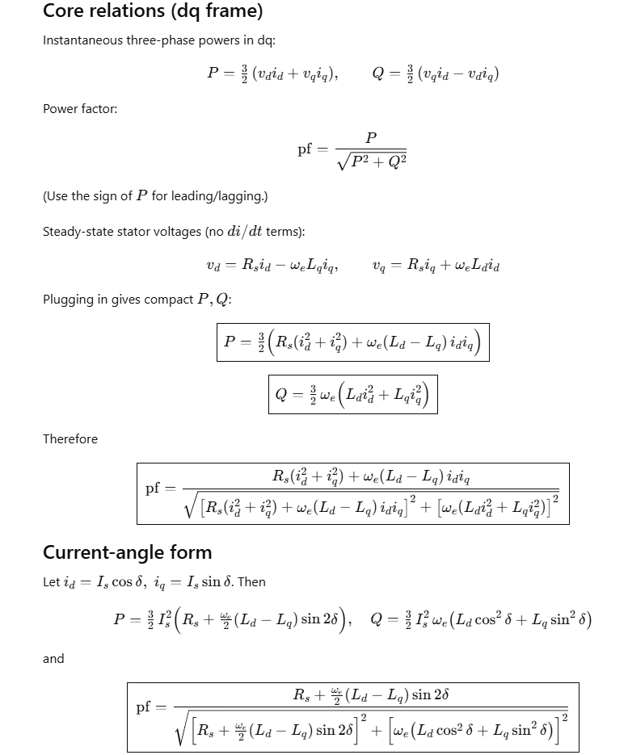
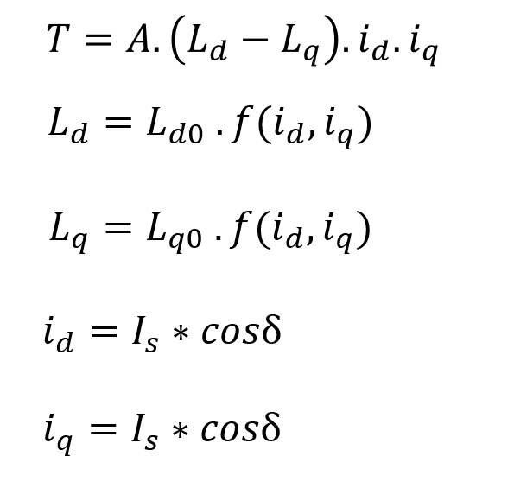
2FG point1 |  |  |  |  |  |  |  |  |  | FEA |  | AI model
Iron_ratio1 | move_offset1 | iron_length_ratio1 | angle_b1 | Iron_ratio2 | move_offset2 | iron_length_ratio2 | angle_b2 | Jrms |  | FEA Torque | FEA ripple | AI Torque | AI ripple
0.6 | 10 | 0.9 | 30 | 0.32 | 45 | 0.2 | 15 | 2 | 60 | 95.37 | 122.5 | 128.83720398 | 182.6
0.6 | 10 | 0.9 | 30 | 0.32 | 45 | 0.2 | 15 | 3 | 60 | 173.7 | 133.3 | 245.59425354 | 177.5
0.6 | 10 | 0.9 | 30 | 0.32 | 45 | 0.2 | 15 | 4 | 60 | 247.3 | 138.8 | 323.72180176 | 171.6
0.6 | 10 | 0.9 | 30 | 0.32 | 45 | 0.2 | 15 | 5 | 60 | 315.2 | 143.5 | 361.66946411 | 165.1
0.6 | 10 | 0.9 | 30 | 0.32 | 45 | 0.2 | 15 | 6 | 60 | 373.9 | 147.9 | 371.02380371 | 153.4
0.6 | 10 | 0.9 | 30 | 0.32 | 45 | 0.2 | 15 | 7 | 60 | 425.2 | 151.5 | 371.2421875 | 147.5
0.6 | 10 | 0.9 | 30 | 0.32 | 45 | 0.2 | 15 | 8 | 60 | 469.6 | 154.6 | 394.15286255 | 146.3
0.6 | 10 | 0.9 | 30 | 0.32 | 45 | 0.2 | 15 | 9 | 60 | 507.8 | 159.7 | 439.43804932 | 154.5
0.6 | 10 | 0.9 | 30 | 0.32 | 45 | 0.2 | 15 | 10 | 60 | 540.5 | 164.7 | 495.48641968 | 159.9
0.6 | 10 | 0.9 | 30 | 0.32 | 45 | 0.2 | 15 | 11 | 60 | 568.2 | 169.1 | 543.88531494 | 165.8
0.6 | 10 | 0.9 | 30 | 0.32 | 45 | 0.2 | 15 | 12 | 60 | 591.5 | 173.9 | 573.78033447 | 171.3

2Fg point2 |  |  |  |  |  |  |  | Jrms |  | FEA Torque | FEA ripple | AI Torque | AI ripple
0.65 | 20 | 1.2 | 36 | 0.25 | 55 | 0.45 | 17 | 2 | 60 | 85.1 | 63.1 | 6.0742306709 | 47.7
0.65 | 20 | 1.2 | 36 | 0.25 | 55 | 0.45 | 17 | 3 | 60 | 164.1 | 55.7 | 76.006088257 | 51.54
0.65 | 20 | 1.2 | 36 | 0.25 | 55 | 0.45 | 17 | 4 | 60 | 243.7 | 45.1 | 366.40814209 | 54.6
0.65 | 20 | 1.2 | 36 | 0.25 | 55 | 0.45 | 17 | 5 | 60 | 320.9 | 35.2 | 420.01959229 | 55.9
0.65 | 20 | 1.2 | 36 | 0.25 | 55 | 0.45 | 17 | 6 | 60 | 396.3 | 31.1 | 418.01257324 | 56.2
0.65 | 20 | 1.2 | 36 | 0.25 | 55 | 0.45 | 17 | 7 | 60 | 469.5 | 32.1 | 415.74609375 | 59.1
0.65 | 20 | 1.2 | 36 | 0.25 | 55 | 0.45 | 17 | 8 | 60 | 537.9 | 32.7 | 423.76748657 | 64.4
0.65 | 20 | 1.2 | 36 | 0.25 | 55 | 0.45 | 17 | 9 | 60 | 600.4 | 31.9 | 543.93139648 | 67.1
0.65 | 20 | 1.2 | 36 | 0.25 | 55 | 0.45 | 17 | 10 | 60 | 657.8 | 29.9 | 675.80859375 | 64.2
0.65 | 20 | 1.2 | 36 | 0.25 | 55 | 0.45 | 17 | 11 | 60 | 710.7 | 30.7 | 755.67150879 | 60.9
0.65 | 20 | 1.2 | 36 | 0.25 | 55 | 0.45 | 17 | 12 | 60 | 759.2 | 30.9 | 787.36578369 | 59.6

 |  |  |  |  |  | A | 1.5 *3

